Cover Page
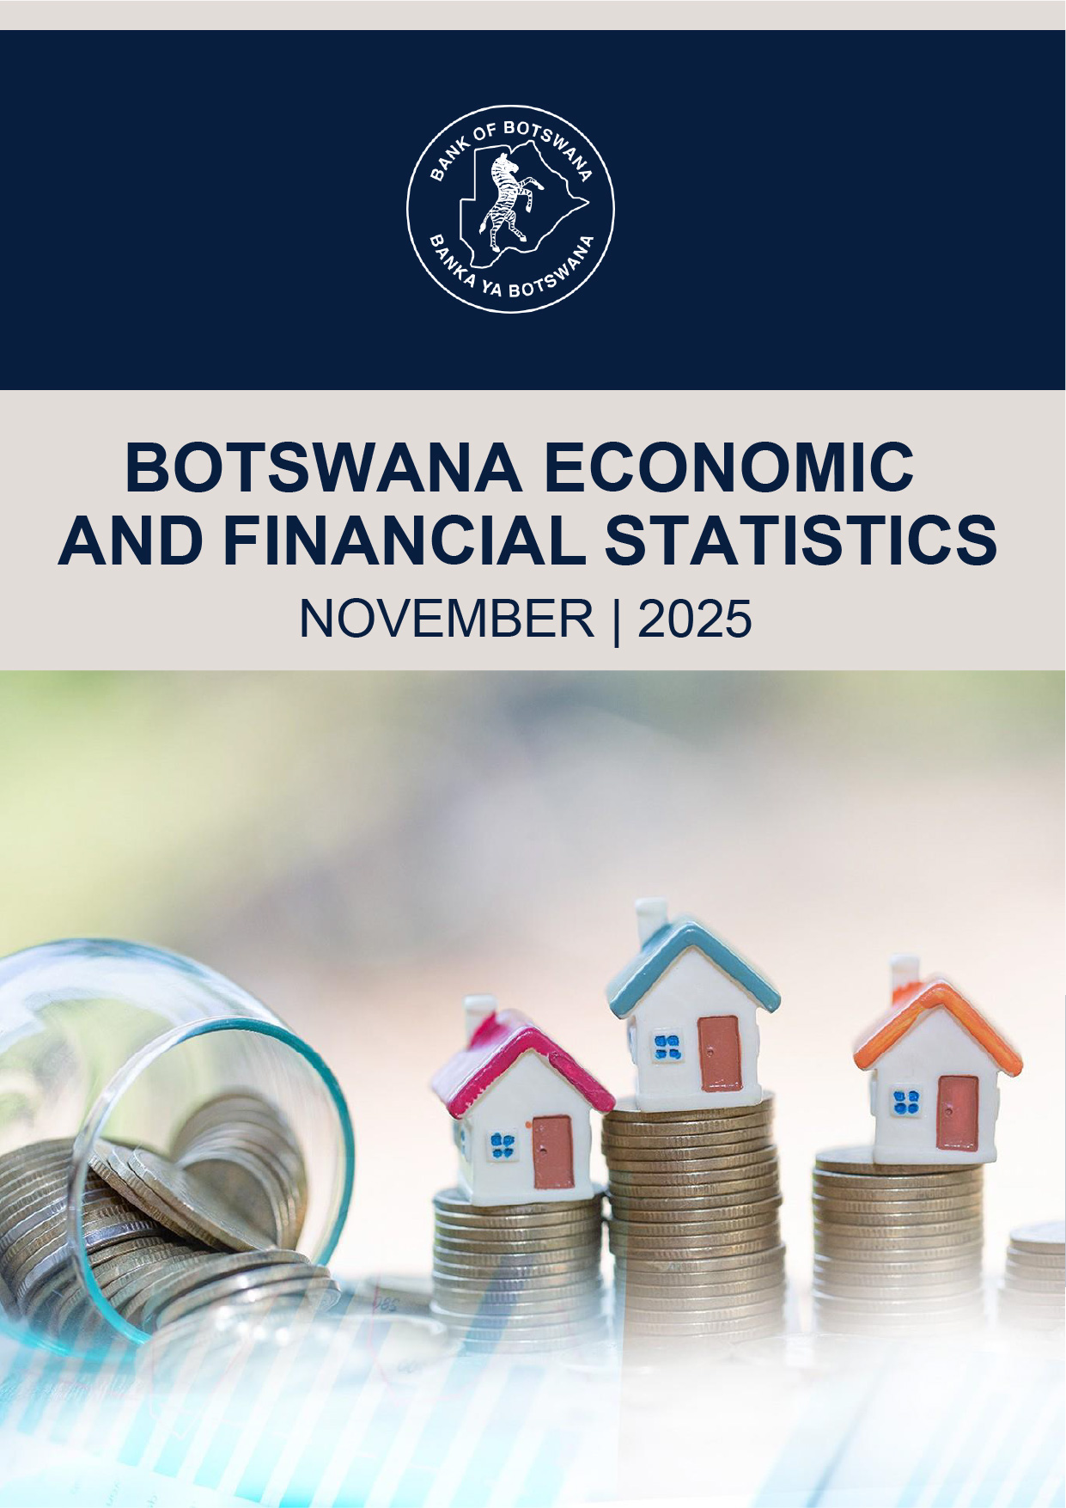
BACK TO CONTENTS

Principles and Timetable
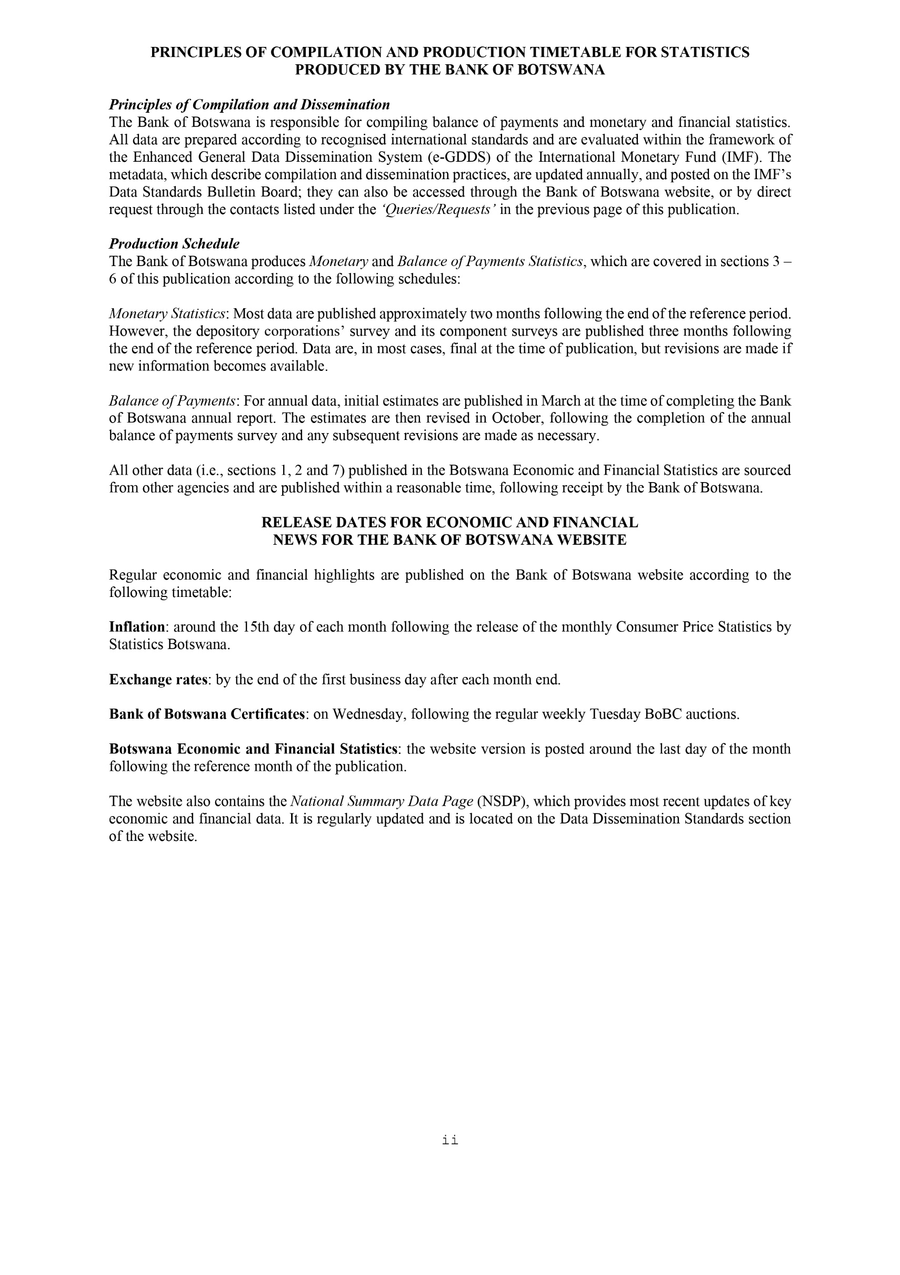
BACK TO CONTENTS

Abbreviations
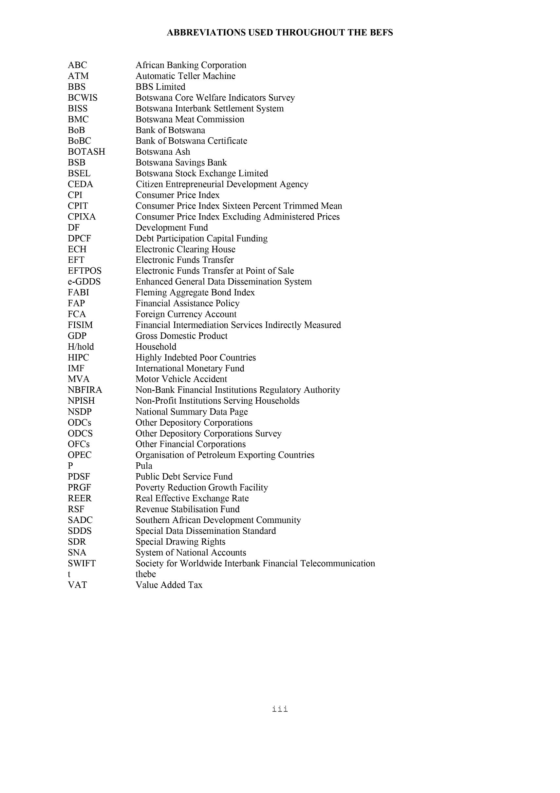
BACK TO CONTENTS

Notes
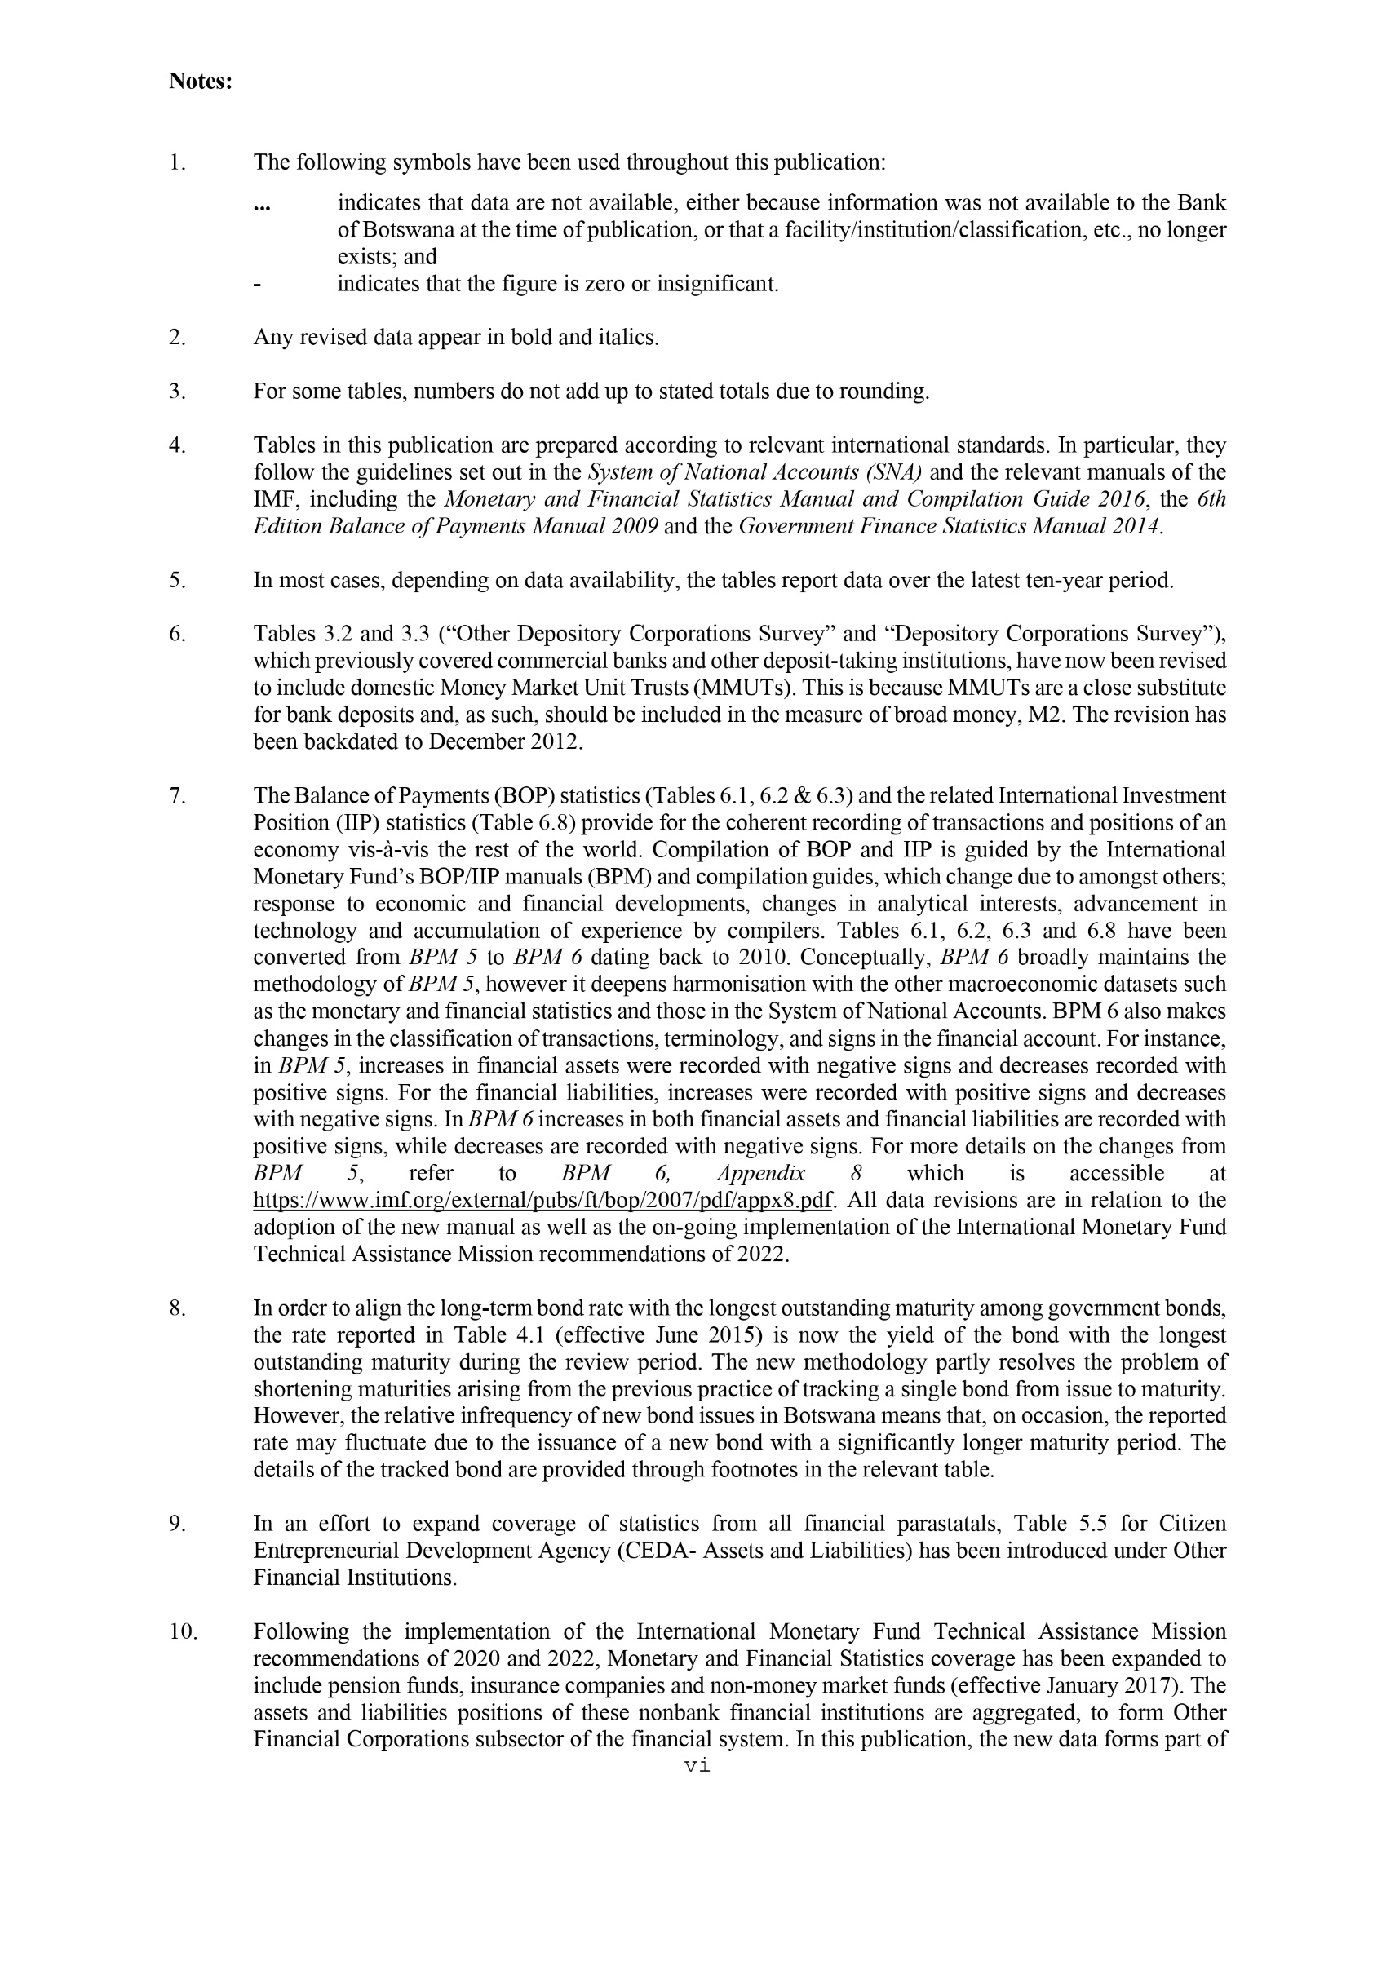
BACK TO CONTENTS

